LITE 110SE RACE
BIKE CODE FOR ORDERS: 21-LITE-110SE-RACE |  | 2022-03-01 | BIKE DESCRIPTION NAME : LITE 110SE RACE 2022
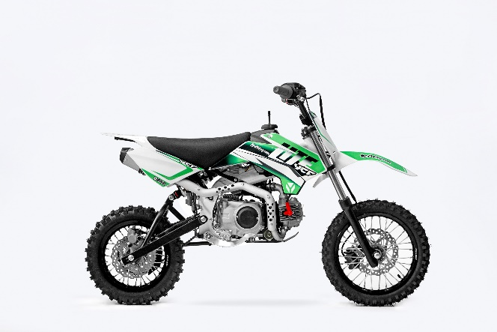 |  |  |  | 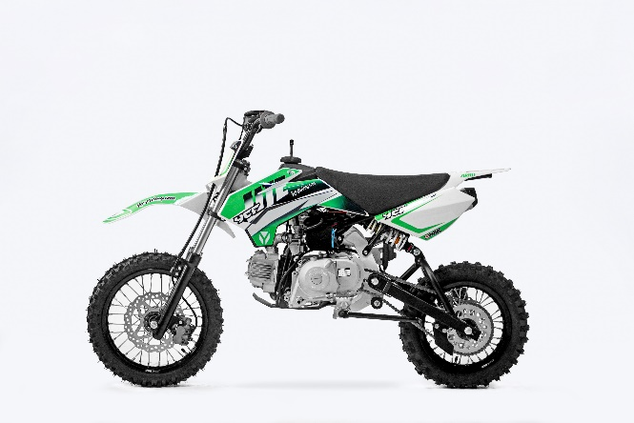
Handle bar assembly
50A = YCF50A
50E = YCF50E
W88E = START W88E
L88 = LITE88 L125 = LITE125
S88S = START F88S
S125S = START F125S
S125SE = START F125SE
S125 = STARTF125
P88 = PILOT 88
P125 = PILOT 125
P150 = PILOT 150
SM125 = START SM125S
SM150 = PILOT SM 150
SP1 = FACTORY SP1
SP2 = FACTORY SP2
SP3 = FACTORY SP3
B125 = BIGY 125MX
B150 = BIGY 150MX
BF150 = BIGY F150MX
BFD190 = BIGY FD190 MX
BFZ190 = BIGY ZE190 MX
S147 = SUNDAY 150
S187 = SUNDAY 190
N° | Ref. | Description | Français | Picture | Qty/Bike | Model
1 | YC110-0101-0701-BK | Aluminium Handle Bar with bar "LOW" shape No embossing L=740mm BLACK | Guidon aluminium avec Barre "BAS" Sans gaufrage L=740mm NOIR |  | 1 | SM15020/SP120/SP220/20-S110-R-01
31 | YC110-0131-02 | Complete Bar Pad for Chromolly Handlebar L=250mm BLACK | Mousse guidon complete pour guidon Chromolly L=250mm NOIR |  | 1 | W88E1820/S88SE1820/L881820/L1251820/S12520/S125S1819/S125SE1820/P1251820/P1501820/SM1251820/B1251820/B1501820
 | YC110-0153-01 | Handle bar plastic cap | Embout plastique de guidon |  | 1 | ALL BIKES 2020
 | YC110-0138 -04 | YCF complete Throttle Assy. 2020 with YCF grip + Screw 2020 | Poignee gaz reglable complete YCF 2020 avec Paire de poignée caoutchouc YCF GRISE 2020 + vis reglage |  | 1 | 50A20/S88SE20/L8820/L12520/S12520/S125se20/P12520/P15020/SM12520/B12520/B15020
38 | YC50-01022-N | YCF complete Throttle Assy. 2020 without grip (without grip) | Poignee gaz reglable complete YCF 2020 nue (sans grip) |  | 1 | 50A20/S88SE20/L8820/L12520/S12520/S125SE20/P12520/P15020/SM12520/B12520/B15020
 | YC110-01022-06 | SCREW FOR THROTTLE ADJUSTMENT, SIZE M5X50(WITH：Yc110-01021-07 1EA GB97-d5xd9x1 2EA) | VIS M5X50 POUR RÉGLAGE DE LA POIGNÉE DE GAZ (WITH：Yc110-01021-07 1EA GB97-d5xd9x1 2EA) |  | 1 | 50A20/S88se20/L8820/L12520/S12520/S125se20/P12520/P15020/SM12520/B12520/B15020
33 | PPC011-GY | YCF set of grip GREY 2020 | Paire de poignée caoutchouc YCF GRISE 2020 |  | 1 | ALL BIKES 20
12 | YC110-0105-15 | Kill Switch ON/OFF L=580mm | Coupe circuit on off L=580mm |  | 1 | ALL BIKES 1220
13 | YC110-0106 | Throttle Cable L=840mm A+B=130mm | Cable gaz L=840mm A+B=130mm |  | 1 | L12520/S125S1319/S12520/S125SE1520/P1251320/P1501220/SM1251320/SM1501320/SP11217/SP21220/B1251719/B1501719/BF1501719/BFD1901719/BFZ1901819/S1471820/S1871820
 | YC110-0143-01 | Rubber on trottle cable | Protection caoutchouc cable de gas |  | 1 | ALL BIKES 1720
20 | YC110-01-03-BK | Tape L=150mm BLACK | colier maintien cable L=150mm NOIR |  | 3 | ALL BIKES
39 | YC110-0139-02 | Start switch Waterproof L=500mm 2017 | Bouton demareur ETANCHE L=500mm 2017 |  | 1 | 50A20/S88SE1720/S125SE1720/BFZ1901820

Steering stem assembly

N° | Ref. | Description | Français | Picture | Qty/Bike | Model
25 | YC110-02-056-BK | Complete Triple Clamp LITE adjustable bar mount, L=160mm 2021 BLACK Steering stem L=220mm | Te Fourche Complet LITE pontet ajustable L=160mm 2021 NOIR tige colonne direction L=220mm |  | 1 | 20-S110-R-01
1 | YC110-0201-06 | Steering stem L=220mm | tige colonne direction L=220mm |  | 1 | 20-S110-R-01
2 | YC110-0202-52-BK | Lower triple clamp 160mm d.33mm H=18mm 2020 MATT BLACK | té fourche inferieur 160mm d.33mm H=18mm 2020 NOIR MAT |  | 1 | LITE8820/LITE12520
3 | YC110-0201-52-BK | Top Triple Clamp 160mm d.33mm H=18mm 2022 MATT BLACK | té fourche supérieur 160mm d.33mm H=28mm2022 NOIR MAT |  | 1 | LITE8822/LITE12522
26 | YC110-0203-035 | Set of Bar mount not adjustable d22.2mm/bottom 55mm START Type BLACK （with GB70-M10x50x1.5W 2EA+BT08-M8x30-W 4EA） | jeu pontet guidon non ajustable d 22.2mm / pontet bas 55mm Type START NOIR （with GB70-M10x50x1.5W 2EA+BT08-M8x30-W 4EA） |  | 1 | W88E20/L8820/S88SE20/L12520/S12520/S125SE20/P12520/P15020/SM12520/SM15020/SP220/B12520/B15020/BFZ19020
4 | YC110-0203-32 | 2020 Lower Bar Mount CNC START type, not adjustable d.22.2 H=55mm BLACK | Pontet guidon inférieur non ajustable type START d.22.2 H=55 mm NOIR 2020 |  | 2 | W88E20/S88SE20/L8820/L12520/S12520/S125SE20/P12520/P15020/SM12520/SM15020/SP220/B12520/B15020/BFZ19020
5 | YC110-0201-02 | 2020 Top Bar Mout CNC d.22.2 mm/height H=18mm START Type BLACK | pontet guidon supérieur 2020 d.22.2mm H=18mm Type START NOIR |  | 2 | 50A20/50E20/W88E20/L8820/L12520/S88SE20/S12520/S125SE20/P12520/P15020/SM12520/SM15020/SP2/B12520/B15020/BFZ19020
15 | BT08-M8x30-W | Hex.Bolt M8x30mm for top bar mount | vis M8x30mm pour pontet superieur |  | 4 | W88E20/S88SE20/L8820/L12520/S12520/S125SE20/P12520/P15020/SM12520/SM15020/SP220/SP320/B12520/B15020/BFD19020/BFZ19020
16 | BT08-M6x25-W | Hex.Bolt M6x25mm for clamp (sides top and bottom) | vis M6x25mm pour tes (cotes superieur et inferieur) |  | 8 | ALL BIKES 20
14 | GB70-M10x50x1.5W | Hex. Bolt M10x50mm (step 1.5) for 2020 bar mounts | Vis centrale M10x50mm (pas 1.5) pour pontets 2020 |  | 2 | W88E20/S88SE20/L8820/L12520/S12520/S125SE20/P12520/P15020/SM12520/SM15020/SP220/B12520/B15020/BFZ19020
6 | YC110-0212-07WH | Front Number Plate complete 2014 WHITE | Plaque avant 2014 complete Blanche |  | 1 | W88E20/S88SE20/L8820/L1251720/S12520/S125S1419/S125SE1420/P1251420/P1501420/SM125s1420/SM1501420/SP11417/SP21420/SP31420
 | YC110-0212-12WH | Front Number Plate 2014 WHITE | Plaque avant 2014 Blanche |  | 1 | W88E20/S88SE20/L8820/L1251720/S12520/S125S1419/S125SE1420/P1251420/P1501420/SM125s1420/SM1501420/SP11417/SP21420/SP31420
20 | BT08-M6x10-W | Hex.Bolt M6x10mm for front No plate | vis M6x10mm pour plaque No avant |  | 1 | ALL BIKES 20
 | GB97-d12-W | Flat washer d12 | Rondelle d12 |  | 1 | ALL BIKES2020
27 | KRDIRECTION46 | set of bearing for steering 46/23.5、46/22 | kit rlt colonne direction 46/23.5、46/22 |  | 2 | 50A20/50E20/W88E20/S88SE20/L8820/L12520/125S1519/S125SE1520/P1251320/P1501320/SM1251320/SM1501320/SP11117/SP21220/SP31220/B1251720/B1501720/BF1501720/BFD1901720/BFZ1901720/S1471820/S1871820
9 | YC110-02-09 | Top nut for steering d54.5mm | écrou crantellé colonne direction d54.5mm |  | 1 | ALL BIKES 1220
10 | YC110-02-10 | Washer for steering stem nut d22.5mmxd36mmx0.7mm | joint colonne direction d22.5mmxd36mmx0.7mm |  | 2 | ALL BIKES 1220
11 | YC110-02-11 | Nut for steering stem M22 | écrou supérieur colnne direction M22 |  | 1 | ALL BIKES 1220
13 | YC110-0214-01-WH | Break Line Retainer 2014 White（with GB9074.5-M4x10-W 1EA ） | guide durite sur plaque avant 2014 Blanc |  | 1 | 50A20/50E20/W88E20/S88SE20/L8820/L1251620/S125SE1520/P1251420/P1501420/SM1251420/SM1501420/SP11417/SP21420/SP31420/B1251720/B1501720/BF1501719/BFD1901720/BFZ1901720
 | YC110-0213-10 | Front plastic plate to hold cables 75mmx100mm | Plaque avant plastique maintien cables 75mmx100mm |  | 1 | ALL BIKES 20
30 | YC110-0213-08 | Number plate bracket 2014 | support plaque avant 2014 |  | 1 | S1251420/S125SE1520/P1251420/P1501420/SM1251620/SM1501620/SP11617/SP21620/SP31620/B1251720/B1501720/BF1501719/BFD190ZE1720/BIGYF190D1720
31 | GBT5787-M6x16-3 | Hex. Bolt with flanged for front plastic plate M6x16mm (spacer 3mm) | vis M6x16mm pour support plaque avant (deport 3mm ) |  | 1 | ALL BIKES 1620
 | YC110-01-08-BK | Tape ADJUSTABLE BLACK for Front plastic plate to hold cables | Collier maintien cable AJUSTABLE NOIR pour plaque avant plastique |  | 1 | ALL BIKES 20
 | YC110-02-22 | Washer for steering stem nut d22mm (top)/d24mm (bottom)-d47mm | Joint pour colonne direction d22mm (haut)/d24mm (bas) -d47mm |  | 1 | S1251420/S125S1419/S125SE1420/P1251420/P1501420/SM1251420/SM1501420/SP11417/SP21420/SP31420/B1251720/B1501720/BF1501719/BFD1901720/BFZ1901820/S1471820/S1871820

Front Fender

N° | Ref. | Description | Français | Picture | Qty/Bike | Model
1 | YC110-032-02WH | YCF Front Fender 2020 (short) WHITE | GARDE BOUE AVANT 2020 (Court) BLANC |  | 1 | W88E20/S88SE20/L12520/S125SE20/S12520/P12520/P15020/SM12520/SM15020/SP220/SP320
2 | GBT5787-M6x16-6 | Hex. Bolt with flanged M6x16mm (spacer 6mm) for front mudguard (bottom) | vis M6x16mm (deport 6mm) pour garde boue avant (dessous) |  | 3 | 50A20/50E20/W88E1820/S88SE1820/L8820/L12520/S12520/S125SE1820/P1251820/P1501820/SM1251820/SM1501820/SP21820/SP31820/B1251820/B1501820/BF1501719/BFD19017820/BFZ1901820
 | GBT5787-M6x16-3 | Hex. Bolt with flanged M6x16mm front mudguard (spacer 3mm) for front mudguard (top) | vis M6x16mm garde boue avant (deport 3mm ) pour garde boue avant (dessus) |  | 2 | 50A20/50E20/W88E1820/S88SE1820/L8820/L12520/S12520/S125SE1820/P1251820/P1501820/SM1251820/SM1501820/SP21820/SP31820/B1251820/B1501820/BF1501719/BFD19017820/BFZ1901820

Front & Rear absorber

N° | Ref. | Description | Français | Picture | Qty/Bike | Model
24 | YC110-0400-11 | Pair of fork (not adjustable) L125 2016 | Jeu de fourche L125 2016 |  | 1 | L1251620/L15017
1 | YC110-0401-10 | Front right fork (not adjustable) L125 2016 | Tube fourche droit L125 2016 |  | 1 | L1251620/L15017
2 | YC110-0402-10 | Front left fork (not adjustable) L125 2016 | Tube fourche gauche L125 2016 |  | 1 | L1251620/L15017
4 | YC110-0404-86 | Shock absorber 270mmx250LBS DNM | Amortisseur 270mmx250LBS DNM |  | 1 | 20-S110-R-01
9 | GB5787-M12x45-W | Hex. Bolt with flanged M12x45mm for shock absorber fixation top and bottom | vis M12x45mm pour fixation amortisseur haut et bas |  | 2 | W88E1820/S88SE1520/L881720/L1251620/S125S1019/S125SE1520/P1251320/P1501020/SM1251020/SM1501020/SP11417/SP21020/SP31420/B1251720/B1501720/BF1501719/BFD1901720/BFZ1901820/S1471820/S1871820
10 | GB6187-M12-W | Self-locking Nut M12 for shock absorber fixation screw | écrou M12 pour vis fixation amortisseur |  | 2 | W88E1820/S88SE1520/L881720/L1251620/S125S1019/S125SE1520/P1251320/P1501020/SM1251020/SM1501020/SP11417/SP21020/SP31420/B1251720/B1501720/BF1501719/BFD1901720/BFZ1901820/S1471820/S1871820
 | YC110-0403-05 | Oil steel line retainer on left front fork | Passe durite sur protection fourche gauche |  | 1 | W88E20/S88SE20/L8820/L12520/S125SE20/P12520/P15020/SM12520/SM15020/SP220/SP320/B12520/B15020/BFD19020/BFZ19020/S14720/S18720
 | BT08-M6x20-W | Exterior Hex.Bolt M6x20mm for fork Oil steel line retainer | vis couronne M6x20mm pour Passe durite sur protection fourche |  | 2 | W88E20/S88SE20/L8820/L12520/S125SE20/P12520/P15020/SM12520/SM15020/SP220/SP320/B12520/B15020/BFD19020/BFZ19020/S14720/S18720
...

